Instructions
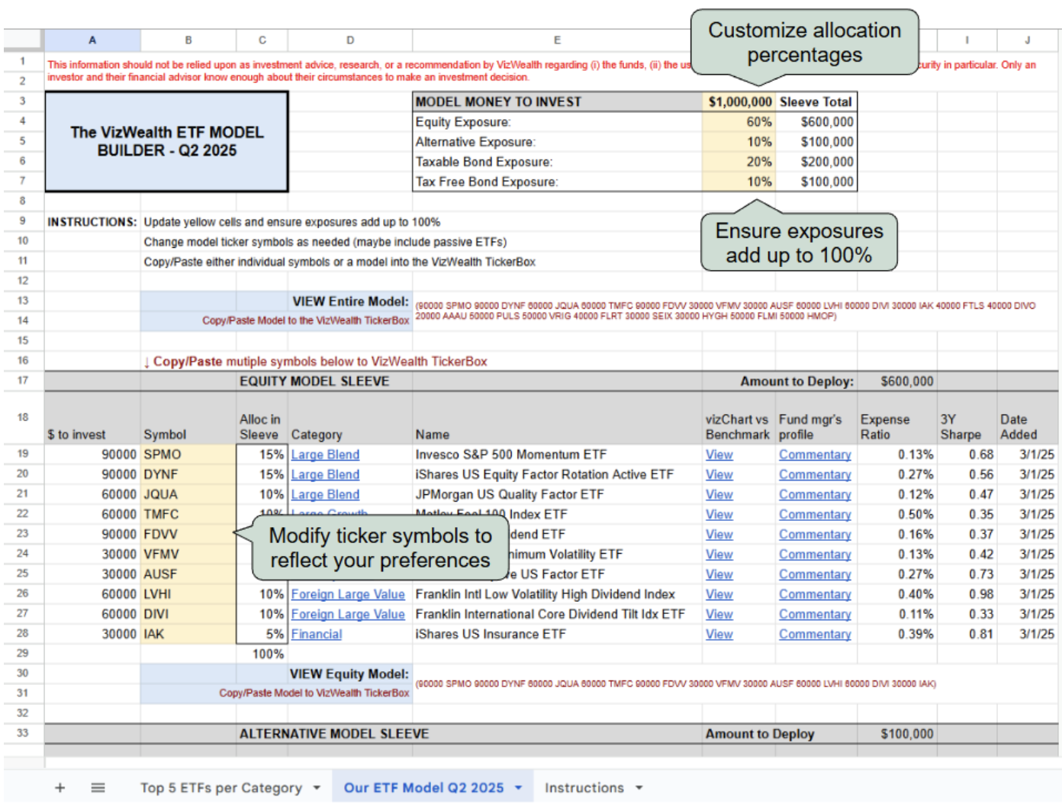
For Financial Professional Use Only - Not for Public Distribution

The VizWealth model portfolios are provided for illustrative and educational purposes only. They do not constitute personalized investment advice or an investment
recommendation. Financial professionals using these model portfolios are responsible for making their own independent judgment regarding suitability and
appropriateness for their clients.

Investing involves risk, including possible loss of principal. Asset allocation and diversification do not guarantee protection against market risk, loss of principal, or
volatility of returns.

Information regarding specific funds included in the model portfolios is available in the respective fund's prospectus or summary prospectus, accessible through the
fund company's website. Investors should carefully review the investment objectives, risks, charges, and expenses detailed in these documents before investing.

Model portfolio allocations and information may change at any time and do not guarantee future results. Actual performance and characteristics of portfolios derived
from the VizWealth model portfolios may materially differ from the illustrative models provided.

Investors indirectly bear fund expenses related to portfolio assets allocated to funds, in addition to any applicable advisory fees.

This material does not constitute specific legal, tax, or accounting advice. Investors should consult qualified professionals for this type of guidance.

© 2025 Fair Capital, Inc. All Rights Reserved. | Protected by US & International Patents. | VIZWEALTH and FAIR CAPITAL are trademarks of Fair Capital, Inc.
The information contained herein: (1) is proprietary to Fair Capital and/or its content providers; (2) may not be copied or distributed;
and (3) is not warranted to be accurate, complete or timely. Neither Fair Capital nor its content providers are responsible for any damages or losses arising from any
use of this information. Past performance is no guarantee of future results. By using our site, you agree to our |  |  | Privacy Policy | and | Terms of Use

TOP 5 ETFs per Category Sheet:
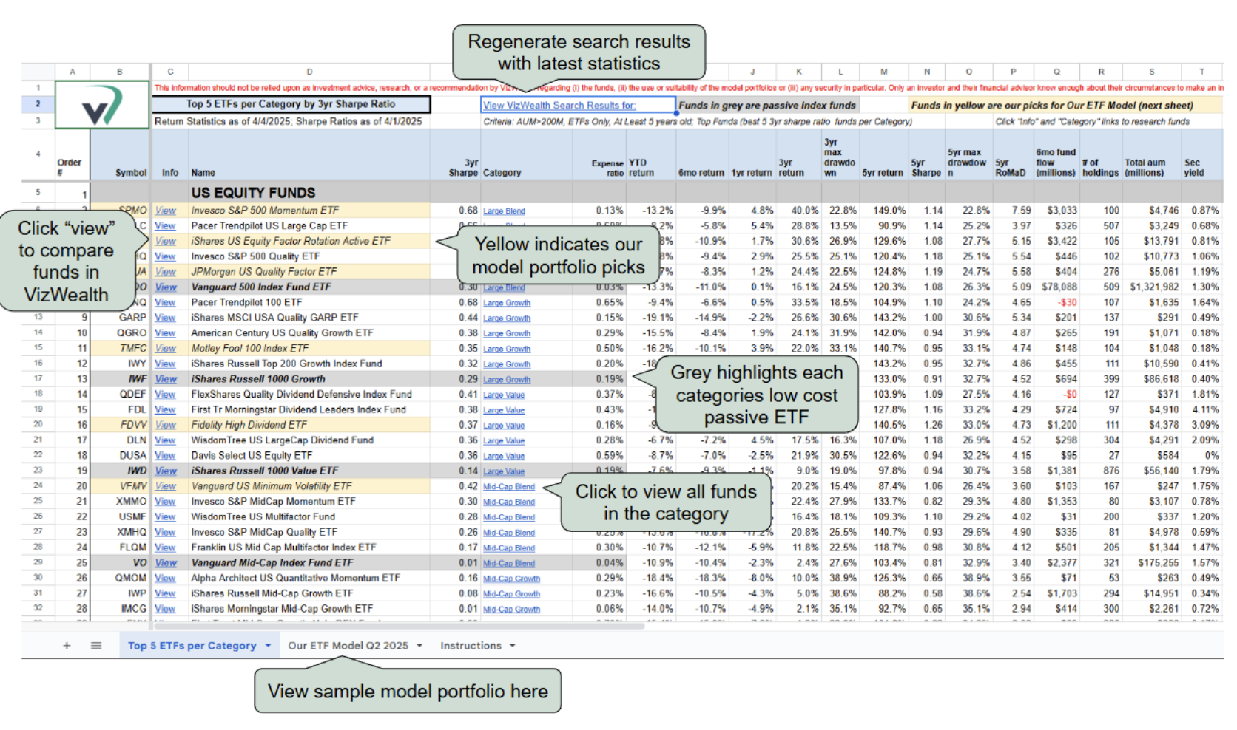

Out ETF Model Q2 2025 Sheet

